PROD
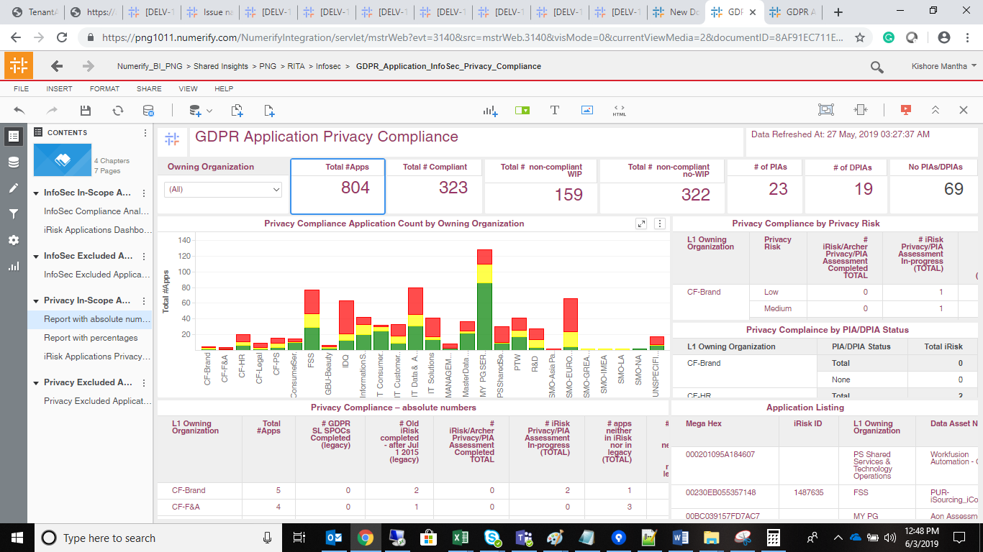
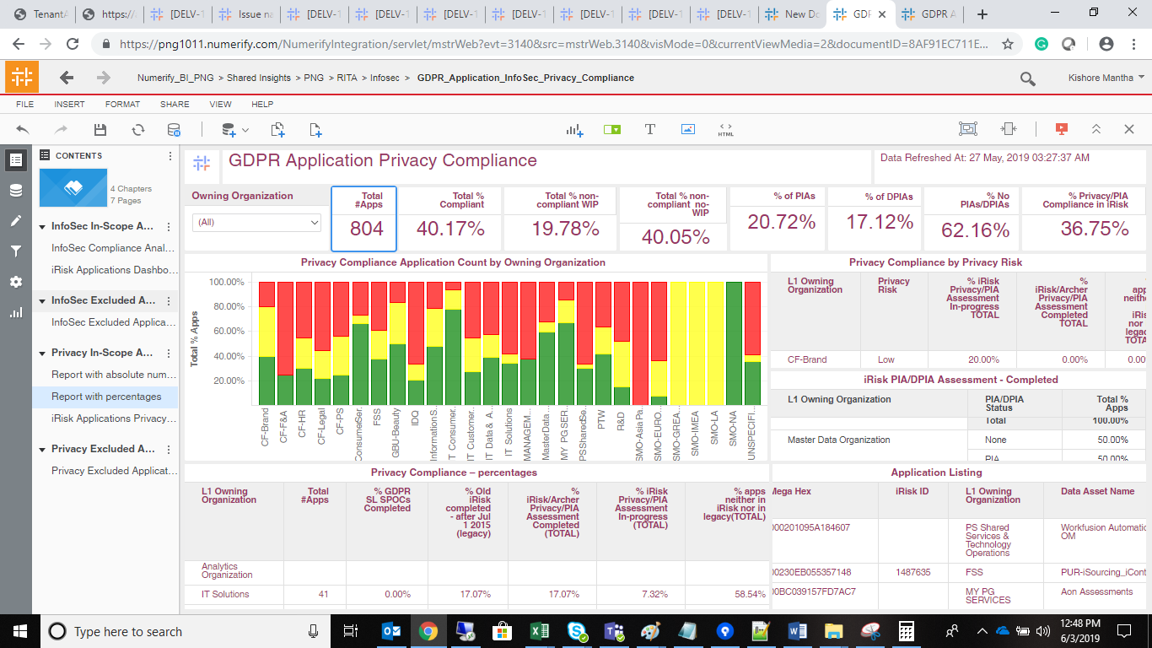
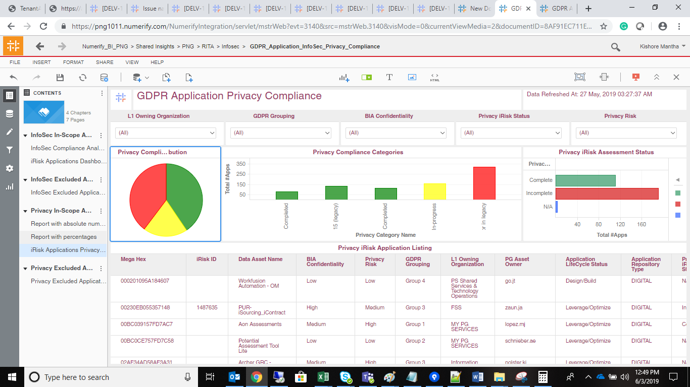
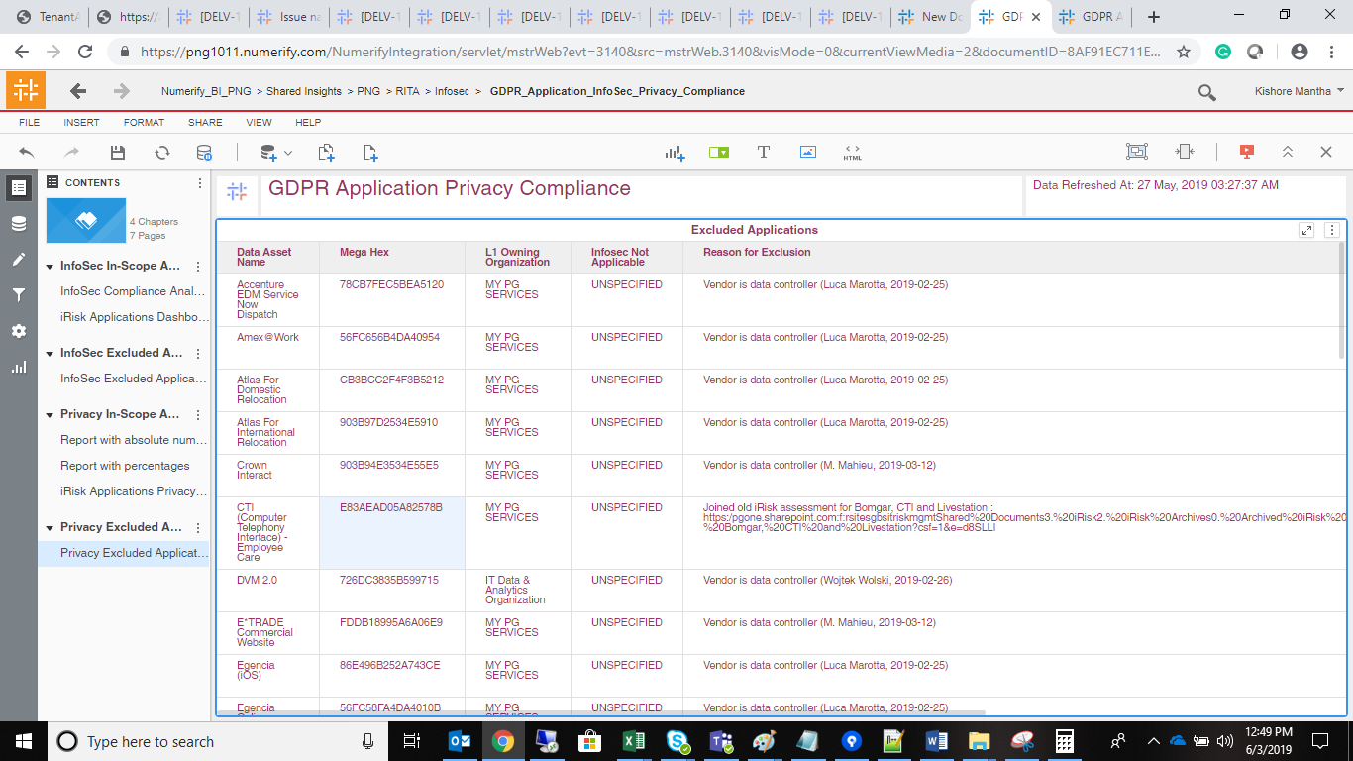
SELECT Count(1) as CNT FROM ldb.f_rita_application_c_fact a JOIN ldb.d_rita_application_c b ON a.rita_application_c_key=b.row_key JOIN ldb.d_lov_processing_activities_ot_repository_type_c c ON b.application_nature_c_key=c.row_key JOIN ldb.d_processing_activities_managing_organization_c d ON a.managing_organization_c_key=d.row_key JOIN ldb.d_lov_processing_activities_ot_life_cycle_status_c e ON b.data_asset_lifecycle_status_key=e.row_key JOIN ldb.d_application_pg_data_privacy_c f ON b.application_pg_data_privacy_c_key=f.row_key WHERE (b.gdpr_rel_cal_overwritten='Y' AND f.dimension_name IN ('High', 'Low', 'Medium') AND d.lev_1_organization_name IN ('Consumer Services','FSS','IDQ','Information Security','IT Consumer Solutions','IT Customer Solutions & Delivery', 'IT Data & Analytics Organization', 'IT IT Innovation Organization','IT Solutions','MANAGEMENT SERVICES','Master Data Organization','MY PG SERVICES', 'PS Shared Services & Technology Operations', 'PTW','CF-Brand','CF-F&A','CF-HR','CF-Legal','CF-PS','CF-SLS', 'GBU-Beauty','R&D','SMO-Asia Pacific','SMO-EUROPE','SMO-GREATER CHINA', 'SMO-IMEA','SMO-LA','SMO-NA','UNSPECIFIED') AND e.source_dimension_name IN ('Design/Build', 'Launch/Deploy', 'Leverage/Optimize', 'Qualify/Deliver', 'Retired', 'Sunset','Exception') AND c.cust_dimension_name_c IN ('Application','Application - Externally Owned','Application Platform','Application Platform - Externally Owned') )

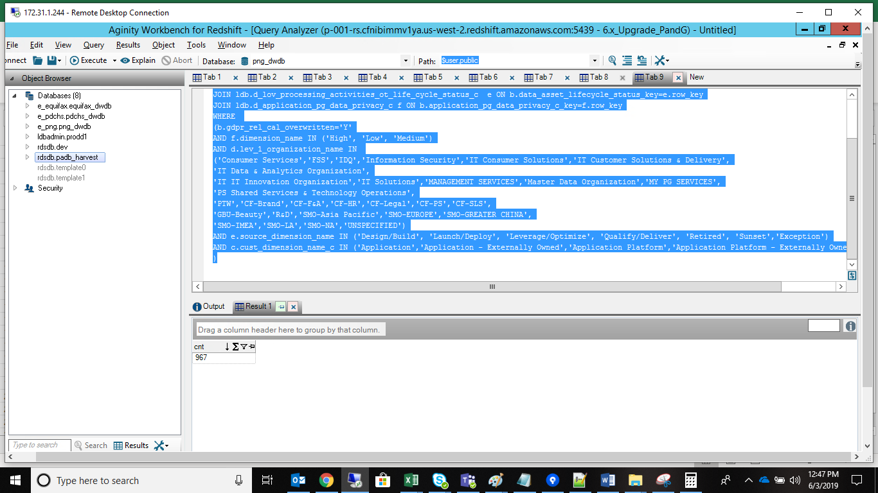
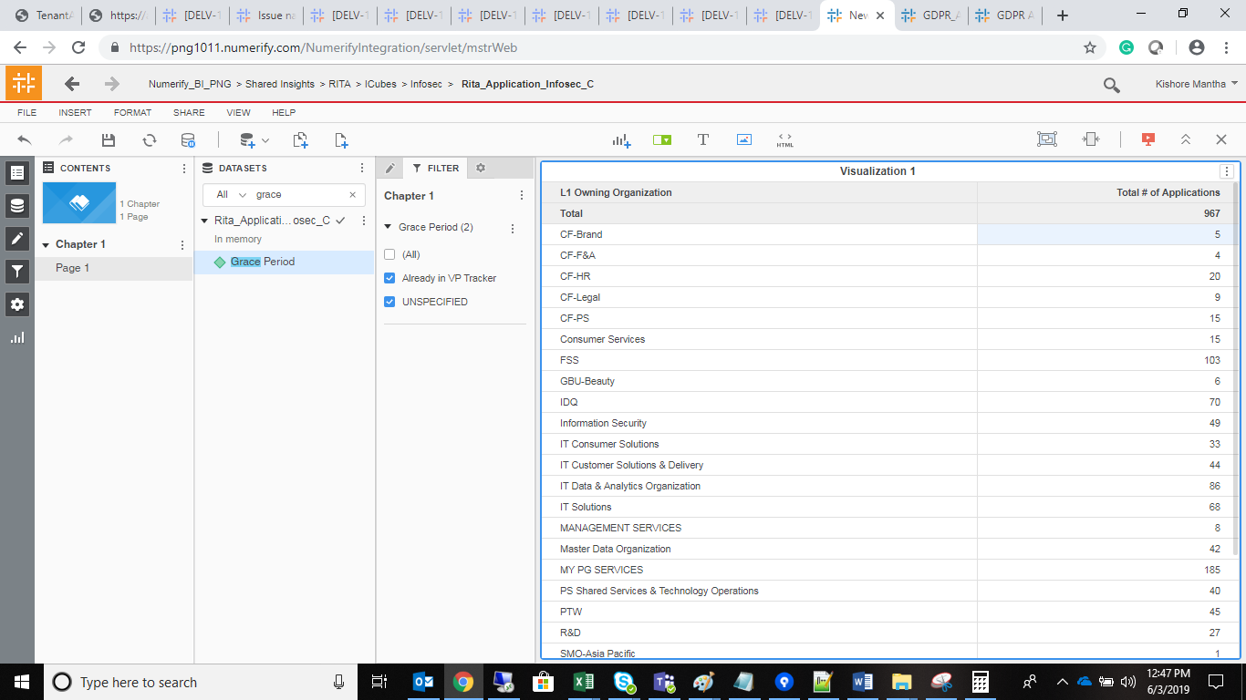

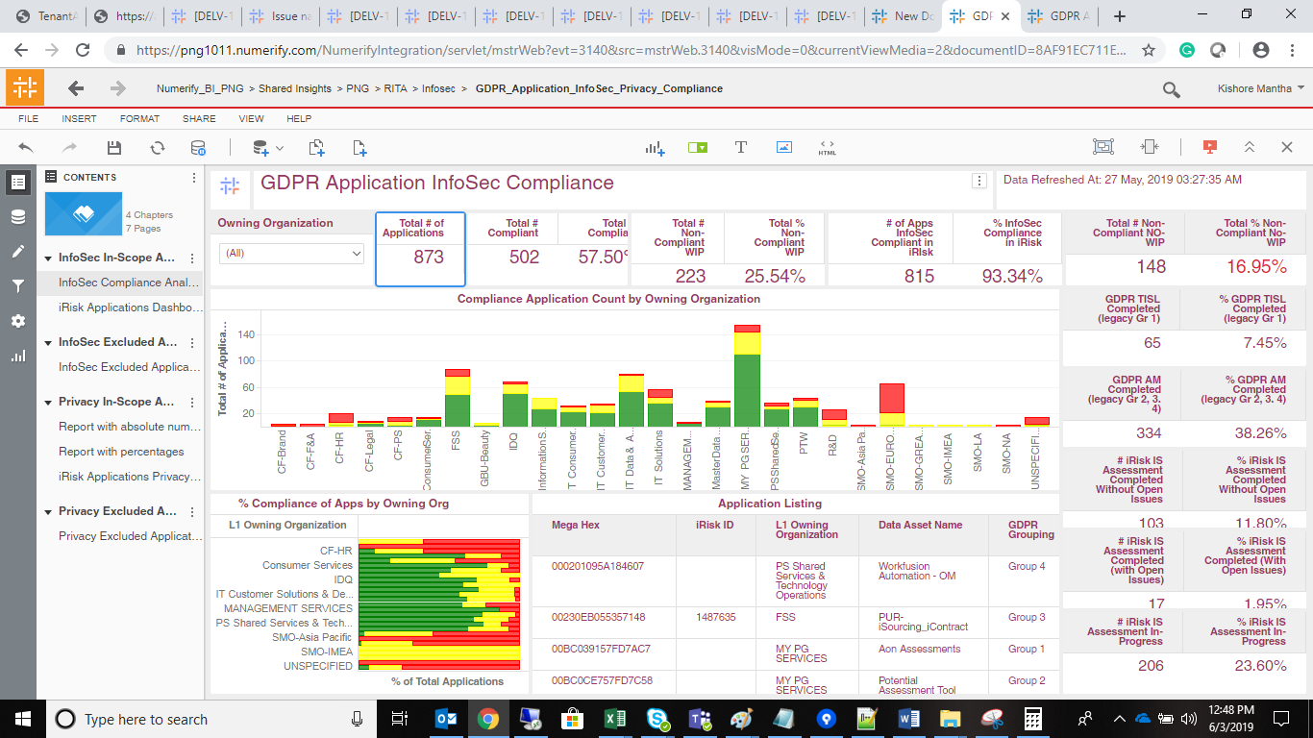
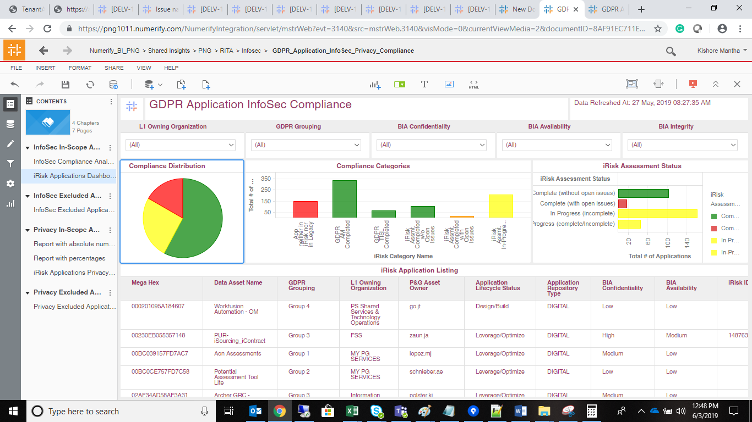

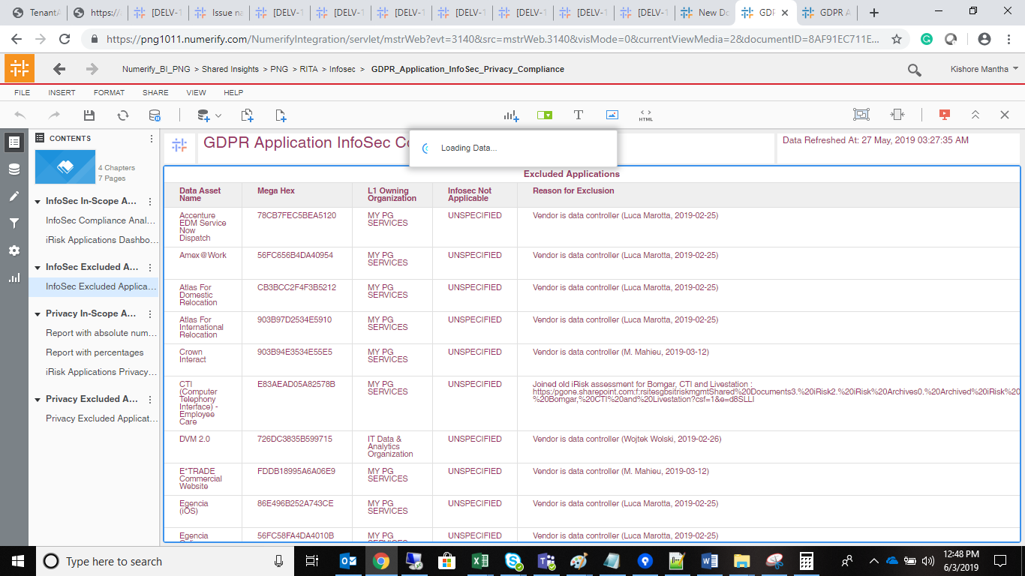

Privacy

Test Cases - Funtional
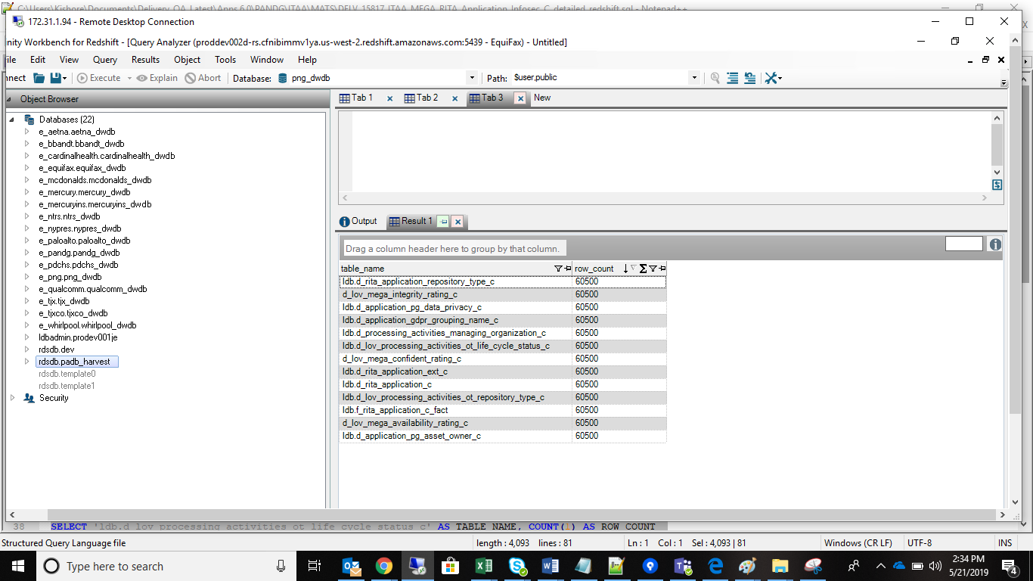
INDEX

TC_No | Test Case | Test Description | Expected Result | Actual Result | Result | Defect JIRA # | Comments
1 | DELV-16848 | P&G: CR 310: - Info security Dashboard - remove of component type applications | Respective Filter should be applied to the 'RITA_Application_Infosec_c' cube | Respective cube filter has been applied in RITA_Application_Infosec_c cube | Pass

SELECT Count(1) as CNT FROM ldb.f_rita_application_c_fact a JOIN ldb.d_rita_application_c b ON a.rita_application_c_key=b.row_key JOIN ldb.d_lov_processing_activities_ot_repository_type_c c ON b.application_nature_c_key=c.row_key JOIN ldb.d_processing_activities_managing_organization_c d ON a.managing_organization_c_key=d.row_key JOIN ldb.d_lov_processing_activities_ot_life_cycle_status_c e ON b.data_asset_lifecycle_status_key=e.row_key JOIN ldb.d_application_pg_data_privacy_c f ON b.application_pg_data_privacy_c_key=f.row_key WHERE ( b.grace_period_c='Already in VP Tracker' AND b.gdpr_rel_cal_overwritten='Y' AND e.source_dimension_name IN ('Design/Build', 'Exception', 'Launch/Deploy', 'Leverage/Optimize', 'Qualify/Deliver', 'Retired', 'Sunset') AND f.dimension_name IN ('High', 'Low', 'Medium') AND c.cust_dimension_name_c IN ('Application','Application - Externally Owned', 'Application Platform','Application Platform - Externall') AND d.lev_1_organization_name IN ( 'Consumer Services','FSS','IDQ','Information Security','IT Consumer Solutions','IT Customer Solutions & Delivery','IT Data & Analytics Organization', 'IT IT Innovation Organization','IT Solutions','MANAGEMENT SERVICES','Master Data Organization','MY PG SERVICES','PS Shared Services & Technology Operations', 'PTW', 'CF-Brand','CF-F&A','CF-HR','CF-Legal','CF-PS','CF-SLS', 'GBU-Beauty','R&D (General)','SMO-Asia Pacific','SMO-EUROPE','SMO-GREATER CHINA', 'SMO-IMEA','SMO-LA','SMO-NA','UNSPECIFIED' ) ) |  |  |  | SELECT d.lev_1_organization_name, Count(1) as CNT FROM ldb.f_rita_application_c_fact a JOIN ldb.d_rita_application_c b ON a.rita_application_c_key=b.row_key JOIN ldb.d_lov_processing_activities_ot_repository_type_c c ON b.application_nature_c_key=c.row_key JOIN ldb.d_processing_activities_managing_organization_c d ON a.managing_organization_c_key=d.row_key JOIN ldb.d_lov_processing_activities_ot_life_cycle_status_c e ON b.data_asset_lifecycle_status_key=e.row_key JOIN ldb.d_application_pg_data_privacy_c f ON b.application_pg_data_privacy_c_key=f.row_key WHERE ( b.grace_period_c='Already in VP Tracker' AND b.gdpr_rel_cal_overwritten='Y' AND e.source_dimension_name IN ('Design/Build', 'Exception', 'Launch/Deploy', 'Leverage/Optimize', 'Qualify/Deliver', 'Retired', 'Sunset') AND f.dimension_name IN ('High', 'Low', 'Medium') AND c.cust_dimension_name_c IN ('Application','Application - Externally Owned', 'Application Platform','Application Platform - Externall') AND d.lev_1_organization_name IN ( 'Consumer Services','FSS','IDQ','Information Security','IT Consumer Solutions','IT Customer Solutions & Delivery','IT Data & Analytics Organization', 'IT IT Innovation Organization','IT Solutions','MANAGEMENT SERVICES','Master Data Organization','MY PG SERVICES','PS Shared Services & Technology Operations', 'PTW', 'CF-Brand','CF-F&A','CF-HR','CF-Legal','CF-PS','CF-SLS', 'GBU-Beauty','R&D (General)','SMO-Asia Pacific','SMO-EUROPE','SMO-GREATER CHINA', 'SMO-IMEA','SMO-LA','SMO-NA','UNSPECIFIED' ) ) group by 1;

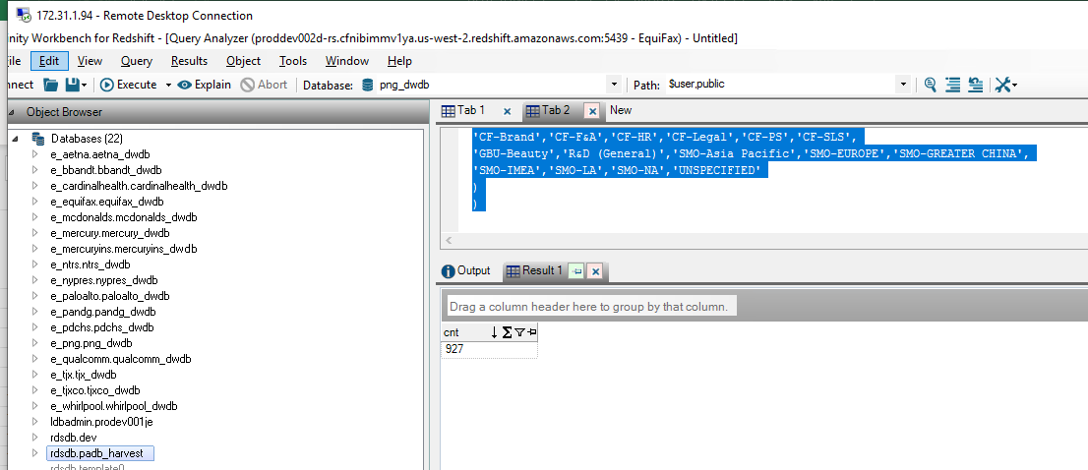
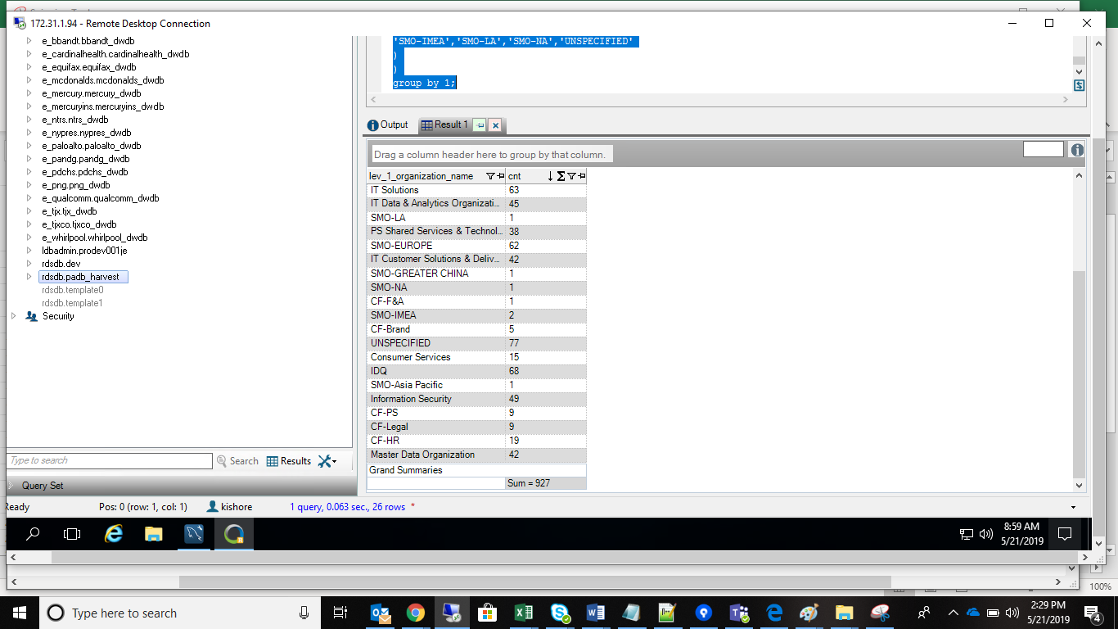

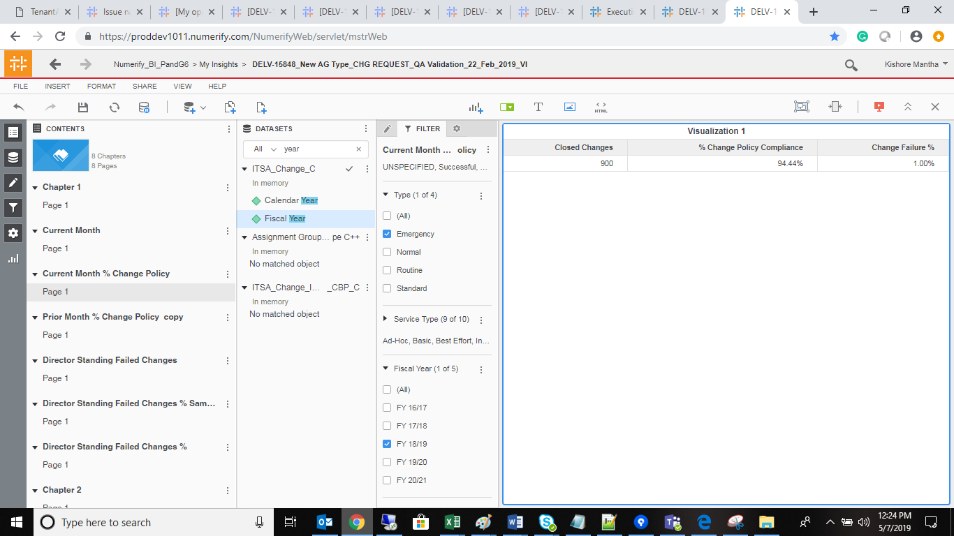

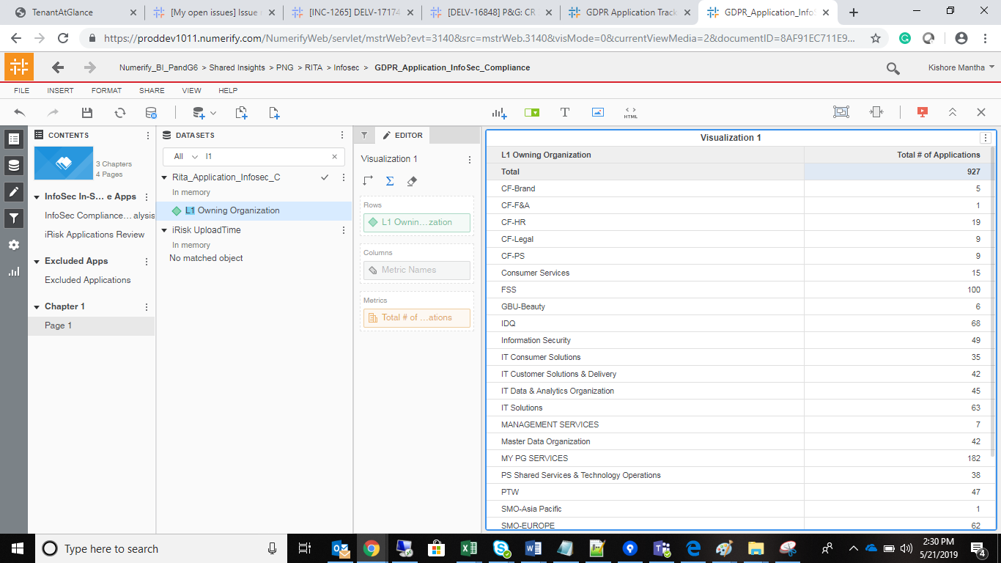

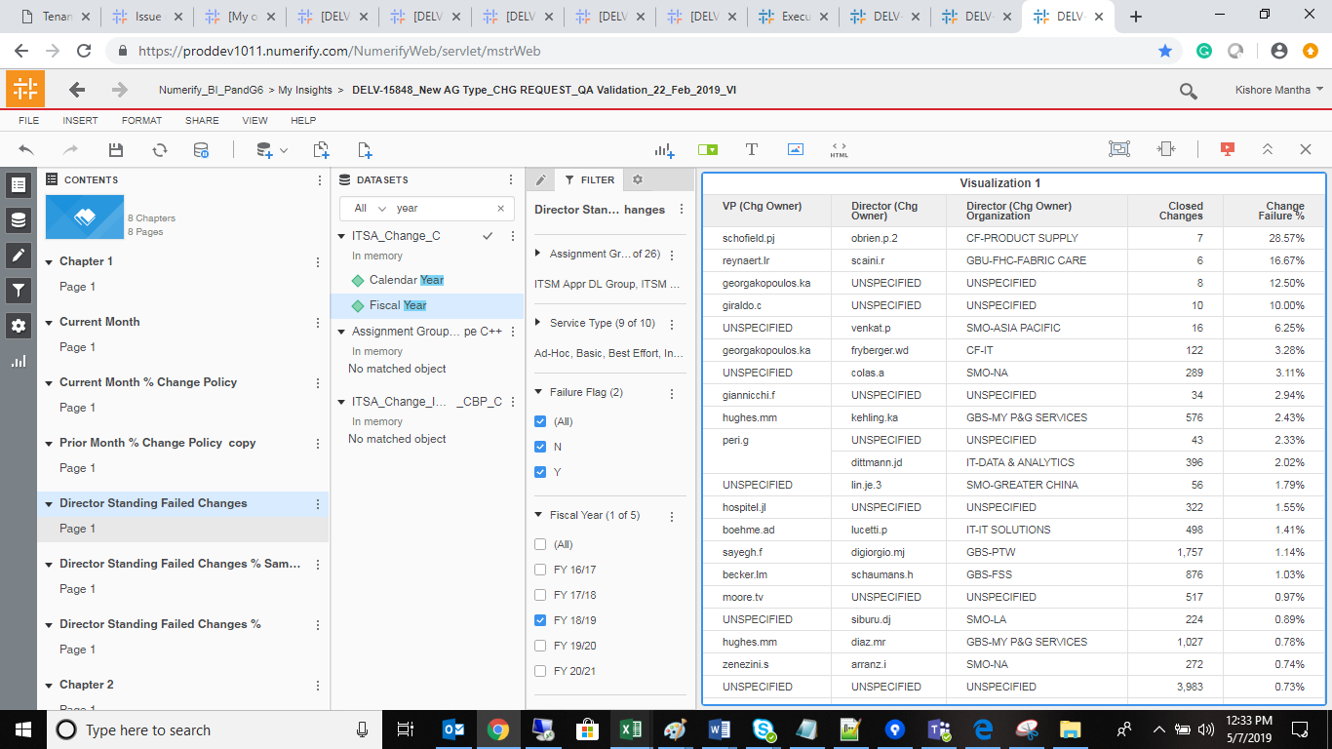

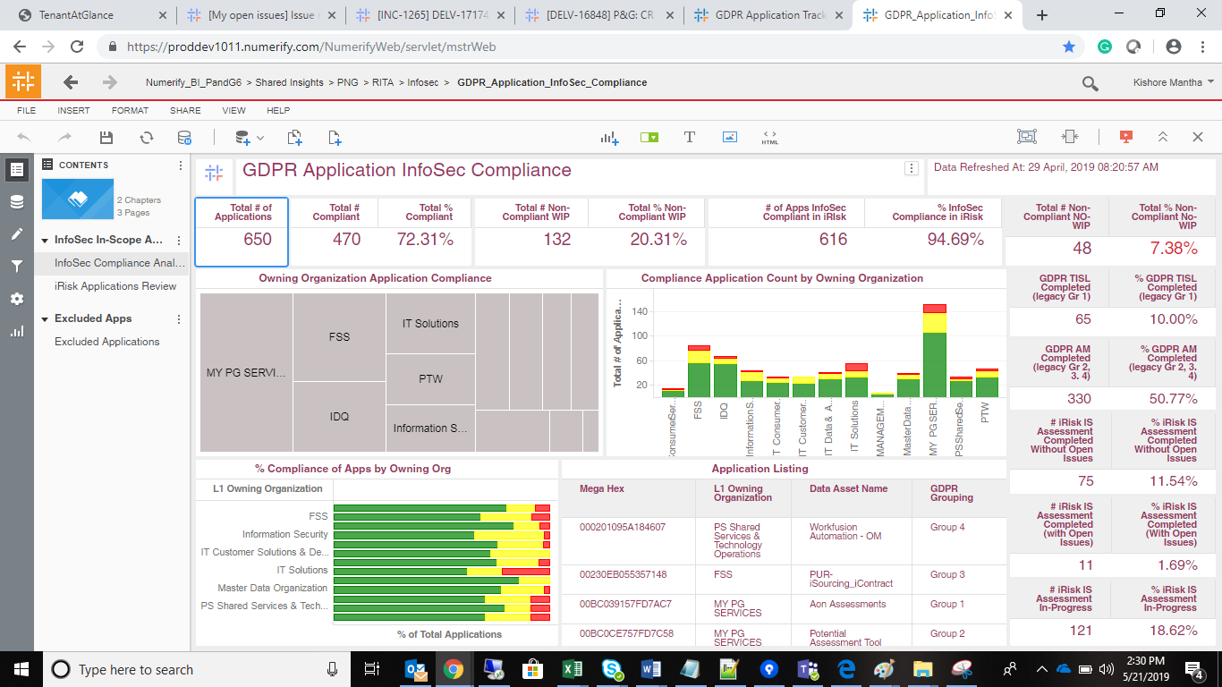
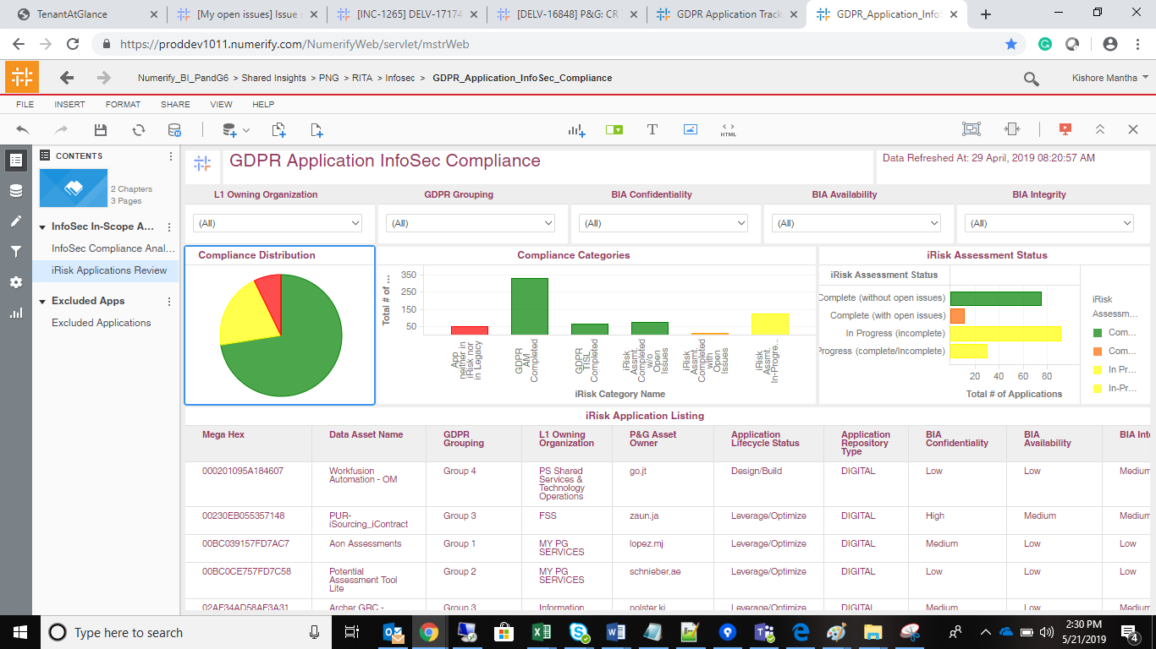

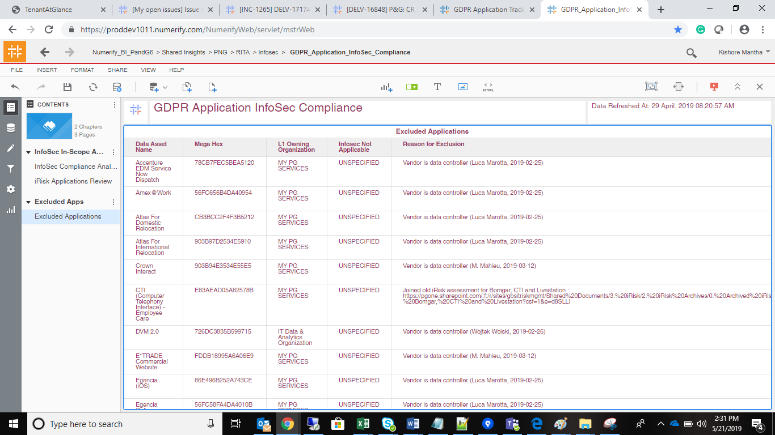

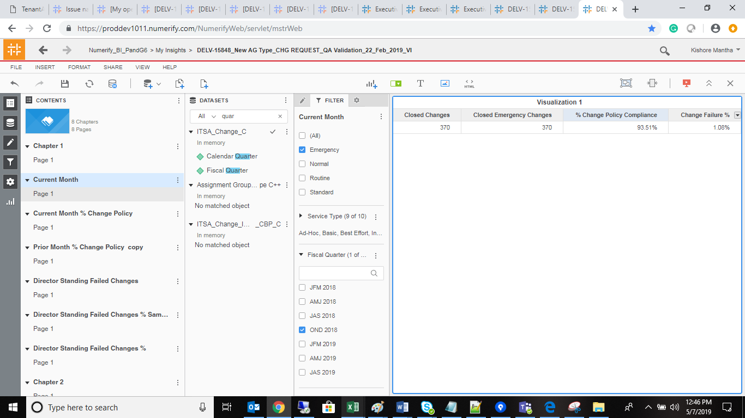

 | No Count Drops

